HW1
If sales Target is RS. 30000 Thousand , Then Aannual RS. 30000 Thousand more, then you will get "YES"
iF Sales target is less than
Rs. 30000 thousand then the annual target will not be met. "NO"
sales men | yearly sales | year experience | salary | Quota met (Yes/No) | Bonus?
Amit | 27,000 | 1 | $40,000 | No | NO BONUS
Sumit | 38,000 | 5 | $55,000 | Yes | 11000
Neha | 41,000 | 3 | $47,500 | Yes | 2375
 | sales target | 30,000
 | bonus

DESCRIBE
If sales Target is RS. 30000 Thousand , Then Aannual RS. 30000 Thousand more, then you will get "YES"
iF Sales target is less than
Rs. 30000 thousand then the annual target will not be met. "NO"
IF FIX EXP YEAR , THEN YEARLY EXP BELOW. YOU WILL GET 5% PER BONUS,
BUT FIX EXP YEAR, THEN YEARLY EXP ABOVE YOU WILL GET 20% BONUS
exp.<5 year | 5 | 5%
exp.>=5 year | 5+ | 20%

ANS-1 |  | =IF(B4>=$C$7,"Yes","No")

 | =IF(B4>=$C$7,IF(C4<$B$10,D4*$C$10,D4*$C$11),"NO BONUS")

HW2
Date | Region | Units | Quantity | Total | Commission |  | Regions | Rate %
6-Jan-08 | Central | 8 | 389 | 12 | 781 |  | Central | 3%
9-Feb-08 | East | 10 | 385 | 15 |  |  | East | 4%
15-Mar-08 | North | 3 | 771 | 39 |  |  | North | 5%
18-Apr-08 | South | 5 | 313 | 19 |  |  | South | 6%
5-May-08 | West | 10 | 574 | 40 |  |  | West | 7%
=IFS(Region=$H$2,D2*$I$2,Region=$H$3,$I$3*D2,Region=$H$4,D2*$I$4,Region=$H$5,D2*$I$5,Region=$H$6,D2*$I$6)
22-May-08 | Central | 8 | 730 | 22
25-Jun-08 | East | 4 | 471 | 19
15-Aug-08 | North | 1 | 548 | 27
12-Dec-08 | South | 3 | 323 | 19
10-Apr-09 | West | 5 | 712 | 50 |  | ANS-2
14-May-09 | Central | 9 | 432 | 13
10-Sep-09 | East | 6 | 460 | 18
=SUM(E2:E30)
31-Oct-09 | North | 3 | 741 | 37
18-Sep-08 | South | 8 | 580 | 35
25-Nov-08 | West | 6 | 685 | 48
29-Dec-08 | Central | 2 | 401 | 12
24-Mar-09 | East | 10 | 342 | 14
4-Jul-09 | North | 8 | 475 | 24
21-Jul-09 | South | 3 | 535 | 32
7-Aug-09 | West | 3 | 663 | 46
26-Feb-08 | Central | 10 | 762 | 23
22-Oct-08 | East | 5 | 425 | 17
8-Nov-08 | North | 1 | 639 | 32
27-Apr-09 | South | 4 | 409 | 25
27-Sep-09 | West | 4 | 612 | 43
1-Sep-08 | Central | 6 | 688 | 21
17-Jun-09 | East | 10 | 663 | 27
24-Aug-09 | North | 5 | 608 | 30
23-Jan-08 | South | 6 | 388 | 23

HW4
Showing only one icon for value greater the 80 |  |  |  |  |  |  | Required Output
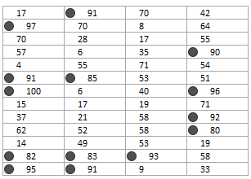
17 | 91 | 70 | 42 |  | 91
97 | 70 | 8 | 64 | 97
70 | 28 | 17 | 55
57 | 6 | 35 | 90 |  |  |  | 90
4 | 55 | 71 | 54
91 | 85 | 53 | 51 | 91 | 85
100 | 6 | 40 | 96 | 100 |  |  | 96
15 | 17 | 19 | 71
37 | 21 | 58 | 92 |  |  |  | 92
62 | 52 | 58 | 80 |  |  |  | 80
14 | 49 | 53 | 19
82 | 83 | 93 | 58 | 82 | 83 | 93
95 | 91 | 9 | 33 | 95 | 91
i am confuse this question
please tell me question sir.

 | ANS-2

HW5
The Total appears only when all four inputs are entered
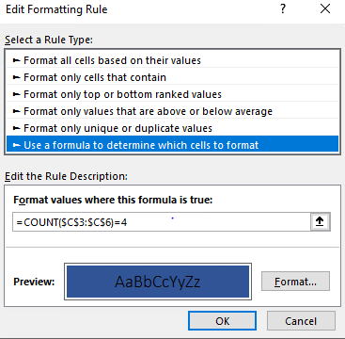
 | Qtr-1 | 2145
 | Qtr-2 | 22
 | Qtr-3 | 2987
 | Qtr-4 | 3021
 | Total: | 8175.00

HW6
Example 1 |  |  | Example 2 | Example 3
Sales for Nokia in West |  |  | Total Sales above 150 in East Region | Sales of North for all excluding Samsung
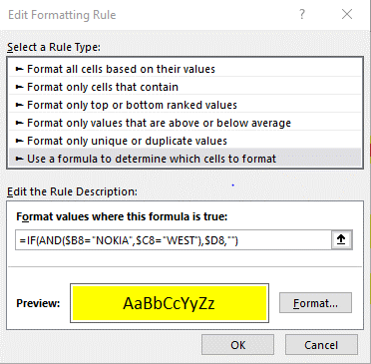
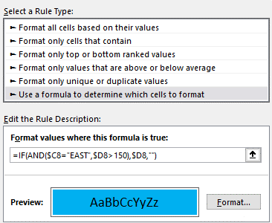

Product | Region | Sales
Samsung | North | 127
Nokia | West | 139
Nokia | West | 103
Vivo | North | 168
Nokia | North | 122 | ANS-6
Vivo | West | 200
Vivo | South | 177
Samsung | South | 170
Nokia | South | 177
Nokia | North | 170
Vivo | West | 144
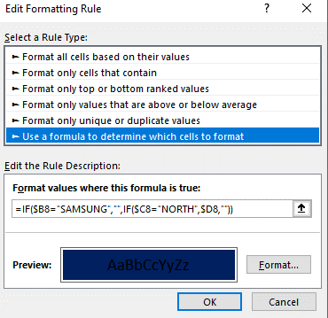
Samsung | East | 172
Samsung | East | 167
Vivo | East | 100

